1. Title Page
Instacart Grocery Basket Analysis

Project Name: Instacart Grocery Basket Analysis
Date: 3/25/2023
Analyst Name: Lisa Argueta

Contents:
Population Flow
Consistency checks
Wrangling steps
Column derivations
Visualizations
Recommendations

Dataframes and Citation:
• Customers Data Set
• Data Dictionary
• The Instacart Online Grocery Shopping Dataset 2017”, Accessed from https://www.instacart.com/datasets/grocery-shopping-2017 on 3/25/2023

2. Population Flow
Title page

Population flow

Exclusion flag
Condition: max_order < 5
Obervations to be removed: customer first name and last name
Final total count of order_products_all: 32,404,859

Orders_products_combined
Orders_products_merged
Orders_products_all

Total: 32,404,859
Total: 32,434,489
Total: 32,404,859

3. Consistency checks
 |  |  |  |  |  |  | Title page
Consistency checks

Dataset | Missing values | Missing values treatment | Mixed-type data | Mixed-type data treatment | Duplicates | Duplicates treatment
orders | 206,209 missing values in days_since_prior_order column | Replaced missing values with 0 to indicate zero days since prior order since this is the user's very first order and ill have no orders prior | none | n/a | none | n/a
products | 16 missing values in product_name column | created a new dataframe dropping missing values | none | n/a | 6 duplicates | created new dataframe dropping duplicates
orders_products_prior | none | n/a | none | n/a | none | n/a
customers | none | n/a | none | n/a | none | n/a

4. Wrangling steps
 |  |  |  |  |  | Title page
Wrangling steps

Data set | Columns | Columns dropped | Columns renamed | Columns' type changed | Comment/Reason
orders | order_id |  |  | changed from int64 to string | changed to suitable string format because it did not need to be included in analysis as a numeric variable
 | user_id |  |  | changed from int64 to string | changed to suitable string format because it did not need to be included in analysis as a numeric variable
 | eval_set | eval_set |  |  | column contains unnecessary information irrelevant to the purpose of this analysis
 | order_number
 | order_dow |  | orders_day_of_week |  | changed to a more intuitive name
 | order_hour_of_day
 | days_since_prior_order
products | product_id
 | aisle_id
 | department_id
 | prices
customers | user_id
 | First Name |  | First Name |  | first name is unnecessary to the analysis and more importantly has to be scrubbed for customer privacy and security
 | Surnam |  | Surnam |  | last name is unnecessary to the analysis and more importantly has to be scrubbed for customer privacy and security
 | Gender |  | gender |  | changed to adhere to lower case format in all columns
 | STATE |  | state |  | changed to adhere to lower case format in all columns
 | Age |  | age |  | changed to adhere to lower case format in all columns
 | date_joined
 | n_dpenedants |  | num_of_dependents |  | corrected spelling for dependents and changed to a more intuitive name
 | fam_status |  | marital_status |  | changed to a more intuitive name
 | income

5. Column derivations
 |  |  |  | Title page

Column derivations and aggregations

In this tab you should add tables below that the frequences of flags/label variables that you produced after deriving them. NB: don't do this for continuous variables, only for flags.
Dataset | New column | Column/s it was derived from | Conditions
ords_prods_merged | price_label | prices | ords_prods_merged.loc[ords_prods_merged['prices'] > 15, 'price_label'] = 'High-range product' ords_prods_merged.loc[(ords_prods_merged['prices'] <= 15) & (ords_prods_merged['prices'] > 5), 'price_label'] = 'Mid-range product' ords_prods_merged.loc[ords_prods_merged['prices'] <= 5, 'price_label'] = 'Low-range product'
 | busiest_day | orders_day_of_week | for value in ords_prods_merged["orders_day_of_week"]: if value == 0: result.append("Busiest day") elif value == 4: result.append("Least busy") else: result.append("Regularly busy")
 | busiest_period_of_day | order_hour_of_day | for hour in ords_prods_merged['order_hour_of_day']: if hour in [10, 11, 14, 15, 13, 12, 16, 9]: hours.append('Most orders') elif hour in [23, 6, 0, 1, 5, 2, 4, 3]: hours.append('Fewest orders') else: hours.append('Average orders')
 | max_order | user_id order_id | ords_prods_merged['max_order'] = ords_prods_merged.groupby(['user_id'])['order_number'].transform(np.max)
 | loyalty_flag | max_order | ords_prods_merged.loc[ords_prods_merged['max_order'] > 40, 'loyalty_flag'] = 'Loyal customer' ords_prods_merged.loc[(ords_prods_merged['max_order'] <= 40) & (ords_prods_merged['max_order'] > 10), 'loyalty_flag'] = 'Regular customer' ords_prods_merged.loc[ords_prods_merged['max_order'] <= 10, 'loyalty_flag'] = 'New customer'
 | avg_price | user_id prices | ords_prods_merged['avg_price'] = ords_prods_merged.groupby(['user_id'])['prices'].transform(np.mean)
 | spending_flag | avg_price | ords_prods_merged.loc[ords_prods_merged['avg_price'] < 10, 'spending_flag'] = 'Low spender' ords_prods_merged.loc[ords_prods_merged['avg_price'] >= 10, 'spending_flag'] = 'High spender'
 | med_days | user_id days_since_prior_order | ords_prods_merged['med_days'] = ords_prods_merged.groupby(['user_id'])['days_since_prior_order'].transform(np.median)
 | frequency_flag | med_days | ords_prods_merged.loc[ords_prods_merged['med_days'] > 20, 'frequency_flag'] = 'Non-frequent customer' ords_prods_merged.loc[(ords_prods_merged['med_days'] > 10) & (ords_prods_merged['med_days'] <= 20), 'frequency_flag'] = 'Regular customer' ords_prods_merged.loc[ords_prods_merged['med_days'] <= 10, 'frequency_flag'] = 'Frequent customer'
instacart_merged | region | state | instacart_merged.loc[instacart_merged['state'].isin(northeast), 'region'] = 'Northeast' instacart_merged.loc[instacart_merged['state'].isin(midwest), 'region'] = 'Midwest' instacart_merged.loc[instacart_merged['state'].isin(south), 'region'] = 'South' instacart_merged.loc[instacart_merged['state'].isin(west), 'region'] = 'West'
 | activity_flag | max_order | instacart_merged.loc[instacart_merged['max_order'] <5, 'activity_flag'] = 'Low activity' instacart_merged.loc[instacart_merged['max_order'] >=5, 'activity_flag'] = 'High activity'
customers | age_category | age | customers.loc[(customers['age'] >= 18) & (customers['age'] < 40), 'age_category'] = 'Youth' customers.loc[(customers['age'] >= 40) & (customers['age'] < 65), 'age_category'] = 'Middle age' customers.loc[customers['age'] >= 65, 'age_category'] = 'Senior'
 | income_category | income | customers.loc[customers['income']< 70000, 'income_category'] = 'Low' customers.loc[(customers['income']>= 70000) & (customers['income']< 100000), 'income_category'] = 'Mid' customers.loc[(customers['income']>= 100000) & (customers['income']< 150000), 'income_category'] = 'Upper mid' customers.loc[customers['income']>= 150000, 'income_category'] = 'High'
 | family_size | num_of_dependents | customers.loc[customers['num_of_dependents'] == 0, 'family_size'] = 'Small' customers.loc[(customers['num_of_dependents'] == 1) | (customers['num_of_dependents'] == 2), 'family_size'] = 'Mid' customers.loc[customers['num_of_dependents'] > 2, 'family_size'] = 'Large'
 | babies | department | customers.loc[high_act_cust['department'] == 'babies','babies'] = 'Have babies' customers.loc[high_act_cust['department'] != 'babies','babies'] = 'No babies'
 | pets | department | customers.loc[high_act_cust['department'] == 'pets','pets'] = 'Have pets' customers.loc[high_act_cust['department'] != 'pets','pets'] = 'No pets'
 | alcohol | department | customers.loc[high_act_cust['department'] == 'alcohol','alcohol'] = 'Alcohol drinker' customers.loc[high_act_cust['department'] != 'alcohol','alcohol'] = 'Not an alcohol drinker'
 | order_time_category | order_hour_of_day | customers.loc[customers['order_hour_of_day'] <5 , 'order_time_category'] = 'Late' customers.loc[(customers['order_hour_of_day']>= 9) & (customers['order_hour_of_day']<= 23), 'order_time_category'] = 'Regular' customers.loc[(customers['order_hour_of_day']>= 5) & (customers['order_hour_of_day']< 9), 'order_time_category'] = 'Early' customers['order_time_category'].value_counts(dropna = False)

6. Visualizations
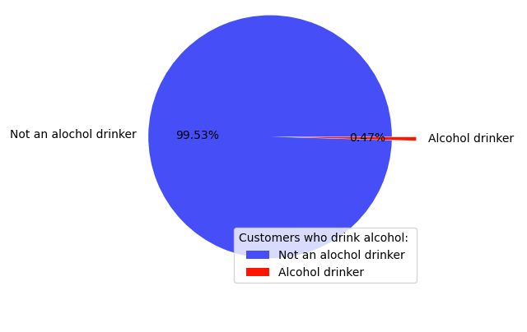
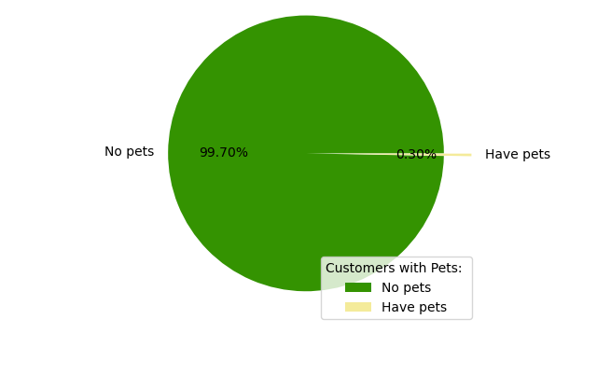
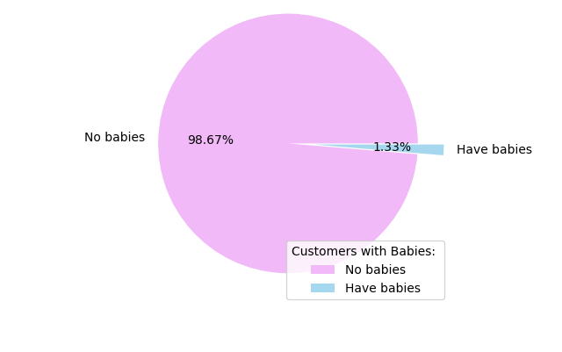
 |  |  |  | Title page

Visualisations

Business Question 1 | The sales team needs to know what the busiest days of the week and hours of the day are (i.e., the days and times with the most orders) in order to schedule ads at times when there are fewer orders.
 | Saturday, Sunday and Friday are the busiest days of the week and busiest between 9am to 5pm. It would be best to schedule ads on Tuesdays and Wednesdays where there are fewer orders. (Assuming days of the week starts 0 as Saturday)

Orders by Day of Week |  | Orders by Hour of Day | Spending Habit by Day of Week
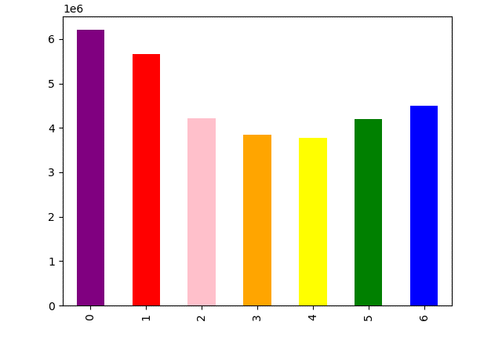

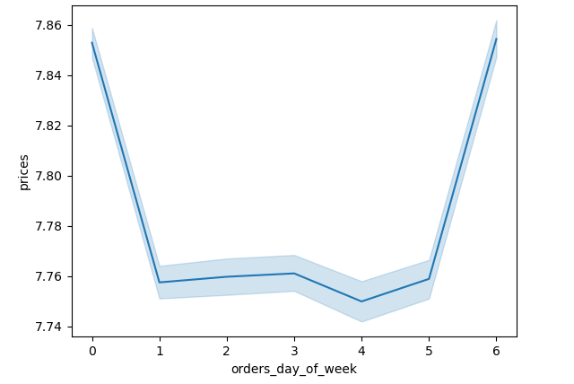

Business Question 2 | They also want to know whether there are particular times of the day when people spend the most money, as this might inform the type of products they advertise at these times
 | Regular customers order from 9am to 11pm, Late orders from 11pm to 5am and Early orders from 5am to 9am. Most orders come from Regular customers with the most orders from 10am to 3pm. Customers spend the most money between 2am to 3am.

Orders by Hour of Day |  | Spending Habit by Hour of Day | Customers by Order Time

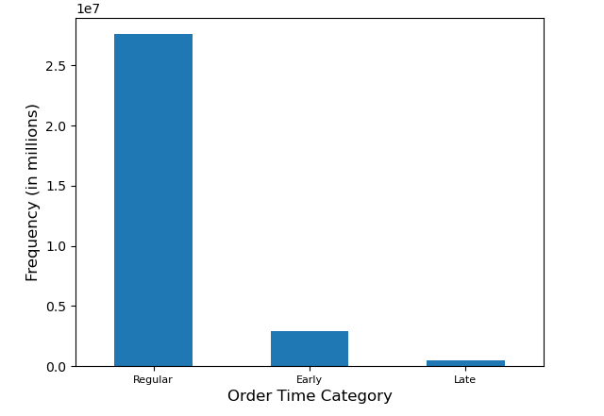

Business Question 3 | Instacart has a lot of products with different price tags. Marketing and sales want to use simpler price range groupings to help direct their efforts.
 | Most products are between $1 and $15, while a few are higher priced at $15 to $25. Most products sold are mid-range price.

Products Price Range |  | Price Range Groupings | Products Price Range Groupings

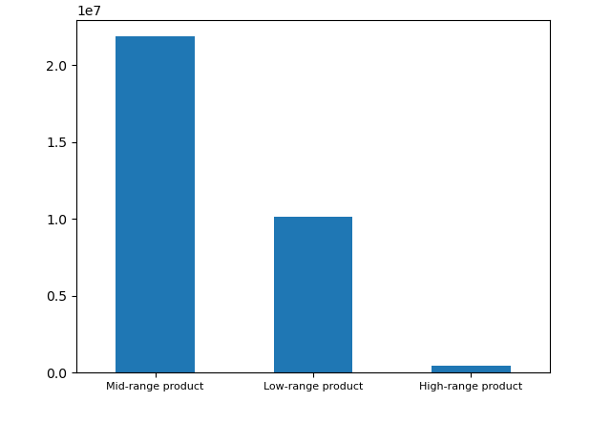
 |  | <= $5 - Low-range product
 |  | > $5 and <= $15 - Mid-range product
 |  | > $15 - High-range product

Business Question 4 | Are there certain types of products that are more popular than others? The marketing and sales teams want to know which departments have the highest frequency of product orders.
 | The top 2 most popular types of products are produce and dairy/eggs.

Goods Ordered by Region
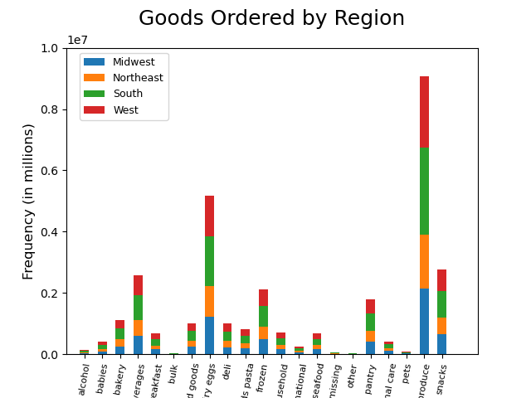

Business Question 5 | The marketing and sales teams are particularly interested in the different types of customers in their system and how their ordering behaviors differ.
 | a. What’s the distribution among users in regards to their brand loyalty (i.e., how often do they return to Instacart)?
 | Regular customers have the most number of orders followed by Loyal customers then New customers. Regular customers have more than 40 orders, Loyal customers have 10 to 40 orders and new customers have less than 10 orders.

Customer Loyalty |  | Customer Loyalty Groupings
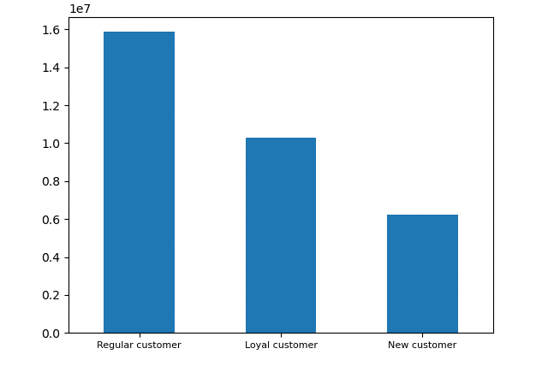
 |  | <=10 orders - New customers
 |  | > 10 orders and <= 40 orders - Regular customers
 |  | > 40 orders - Loyal customers

 | b. Are there differences in ordering habits based on a customer’s loyalty status?
 | Regular customers have the most orders regardless of product.

Ordering Habits by Loyalty Status
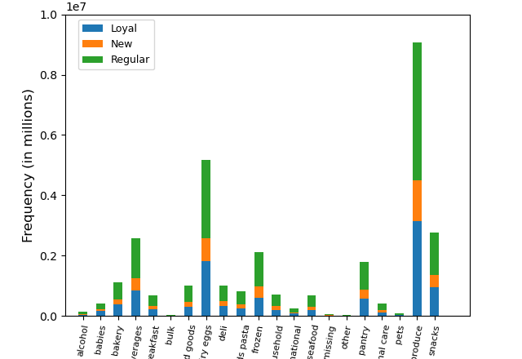

 | c. Are there differences in ordering habits based on a customer’s region?
 | US states were grouped into four regional categories based on information supplied by the United States Census Bureau. Customers in the Southern region have the most orders and also have the most number of customers with babies. Their top 3 orders are for produce, dairy/eggs and beverages.

Spending Habit by Region |  | Ordering Habit by Region | Customers with Babies by Region
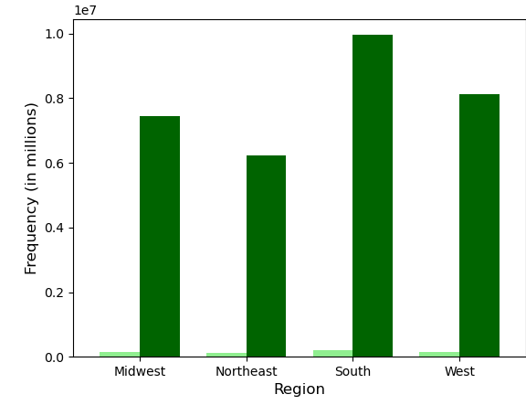
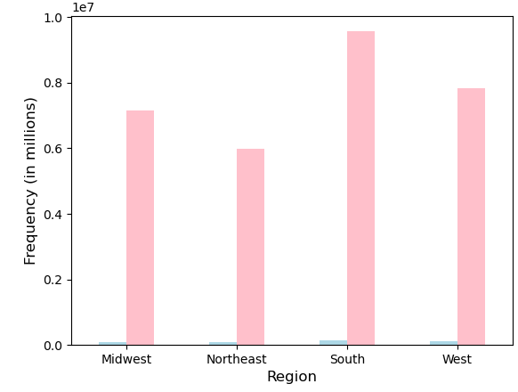

 | d. Is there a connection between age and family status in terms of ordering habits?
 | Middle aged customers have the most orders and tend to order most on Fridays, Saturdays and Sundays. Married customers also have the most orders.

Spending Habit by Age |  | Days of Week Orders by Age | Spending Habit by Family Status
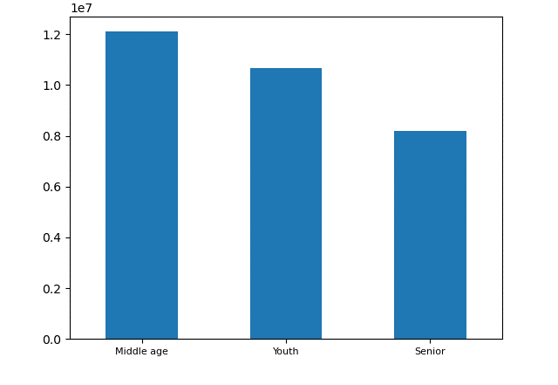
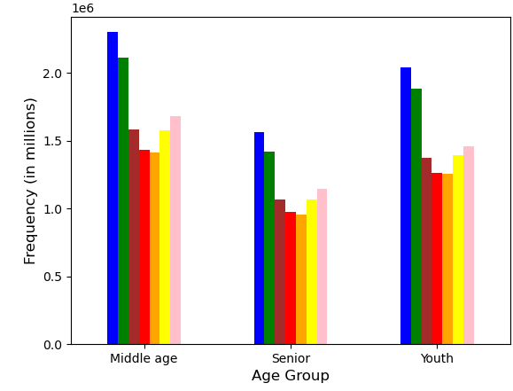
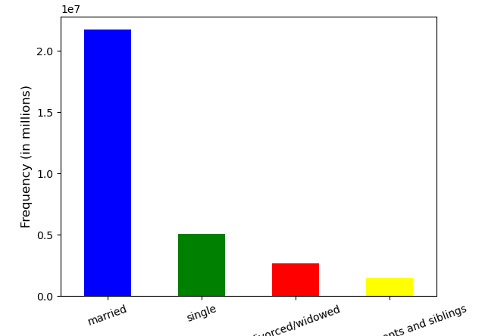

 | e. What different classifications does the demographic information suggest? Age? Income? Certain types of goods? Family status?
 | Also refer to visualizations above. Customers in the Upper-mid income range have the most orders, High income customers have the least orders.

Spending Habit by Income |  | Income Groupings

 |  | Low = less than $70K
 |  | Mid = $70K - $100K
 |  | Upper-Mid = $100K - $150K
 |  | High = more than $150K

 | f. What differences can you find in ordering habits of different customer profiles? Consider the price of orders, the frequency of orders, the products customers are ordering, and anything else you can think of.
 | Majority of the customers drink alcohol, have pets and have babies.

Customers who drink alcohol |  | Customers who have pets | Customers who have babies

7. Recommendations
 |  | Title page

Recommendations

Question | Answer
1. The sales team needs to know what the busiest days of the week and hours of the day are (i.e., the days and times with the most orders) in order to schedule ads at times when there are fewer orders. | Saturday, Sunday and Friday are the busiest days of the week and busiest between 9am to 5pm. It would be best to schedule ads on Tuesdays and Wednesdays where there are fewer orders to encourage more customer activity.
2. They also want to know whether there are particular times of the day when people spend the most money, as this might inform the type of products they advertise at these times. | Customers spend the most money between 2am to 3am which would be the best time to advertise high price point products.
3. Instacart has a lot of products with different price tags. Marketing and sales want to use simpler price range groupings to help direct their efforts. | Most products are between $1 and $15, while a few are higher priced at $15 to $25. Most products sold are mid-range price. More ads could be put in place for mid-range products.
4. Are there certain types of products that are more popular than others? The marketing and sales teams want to know which departments have the highest frequency of product orders. | The top 2 most popular types of products are produce and dairy/eggs. A subscription type of service for frequently ordered products could bring in more revenue.
5. The marketing and sales teams are particularly interested in the different types of customers in their system and how their ordering behaviors differ. | Regular customers have the most number of orders regardless of product.
 | Customers in the Southern region have the most orders and also have the most number of customers with babies. Their top 3 orders are for produce, dairy/eggs and beverages.
 | Middle aged customers have the most orders and tend to order most on Fridays, Saturdays and Sundays. Married customers also have the most orders.
 | Customers in the Upper-mid income range have the most orders, High income customers have the least orders.
 | Majority of the customers drink alcohol, have pets and have babies.
 | It would be best to target ads towards these customer demographics.

